Script
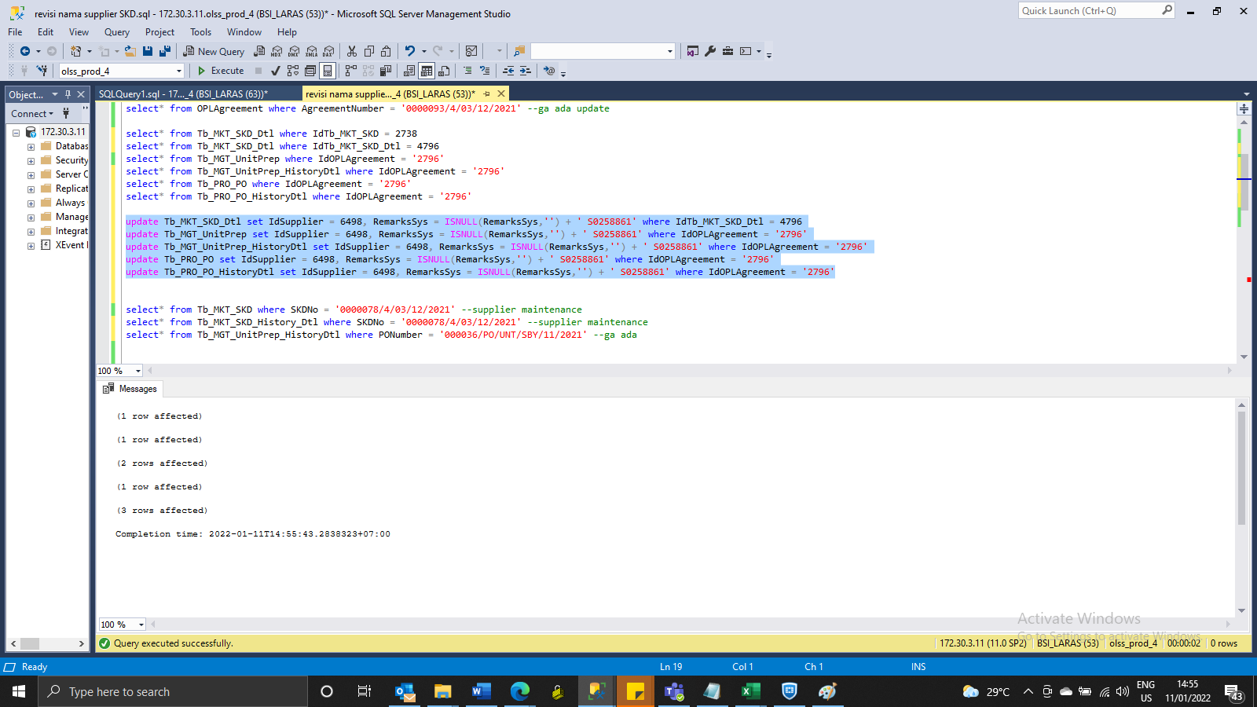
update Tb_MKT_SKD_Dtl set IdSupplier = 6498, RemarksSys = ISNULL(RemarksSys,'') + ' S0258861' where IdTb_MKT_SKD_Dtl = 4796
update Tb_MGT_UnitPrep set IdSupplier = 6498, RemarksSys = ISNULL(RemarksSys,'') + ' S0258861' where IdOPLAgreement = '2796'
update Tb_MGT_UnitPrep_HistoryDtl set IdSupplier = 6498, RemarksSys = ISNULL(RemarksSys,'') + ' S0258861' where IdOPLAgreement = '2796'
update Tb_PRO_PO set IdSupplier = 6498, RemarksSys = ISNULL(RemarksSys,'') + ' S0258861' where IdOPLAgreement = '2796'
update Tb_PRO_PO_HistoryDtl set IdSupplier = 6498, RemarksSys = ISNULL(RemarksSys,'') + ' S0258861' where IdOPLAgreement = '2796'

SS
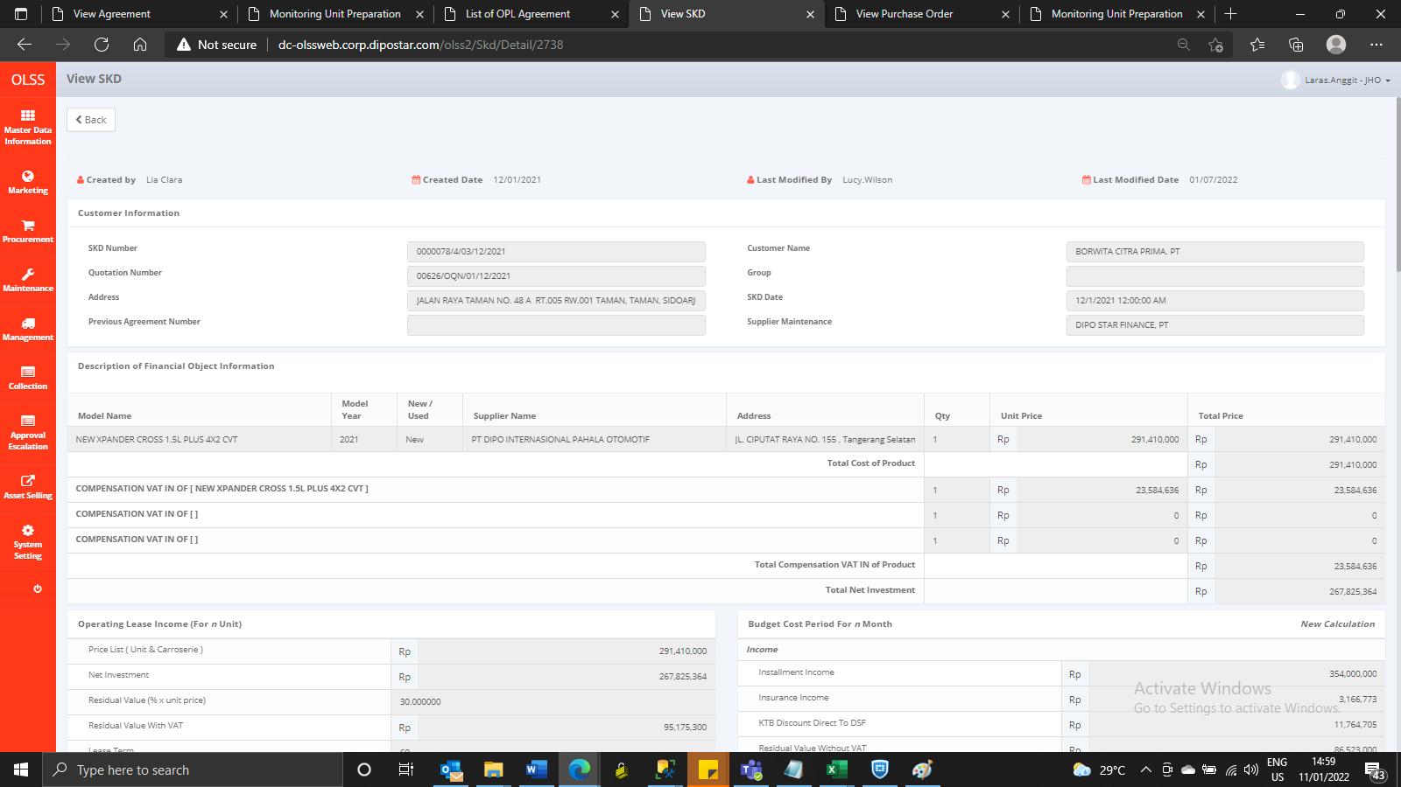
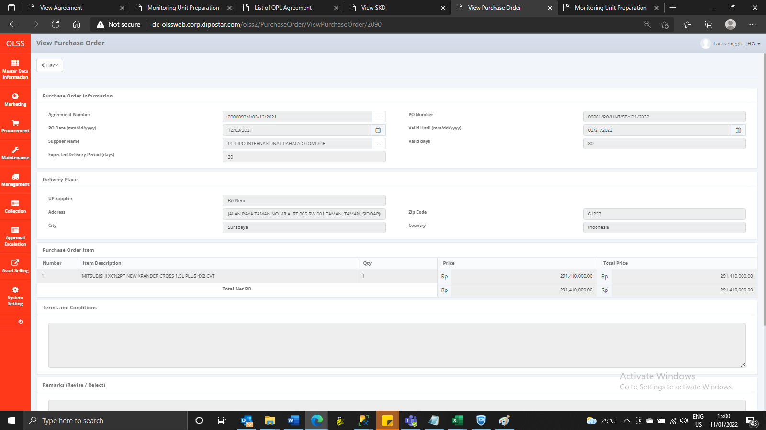
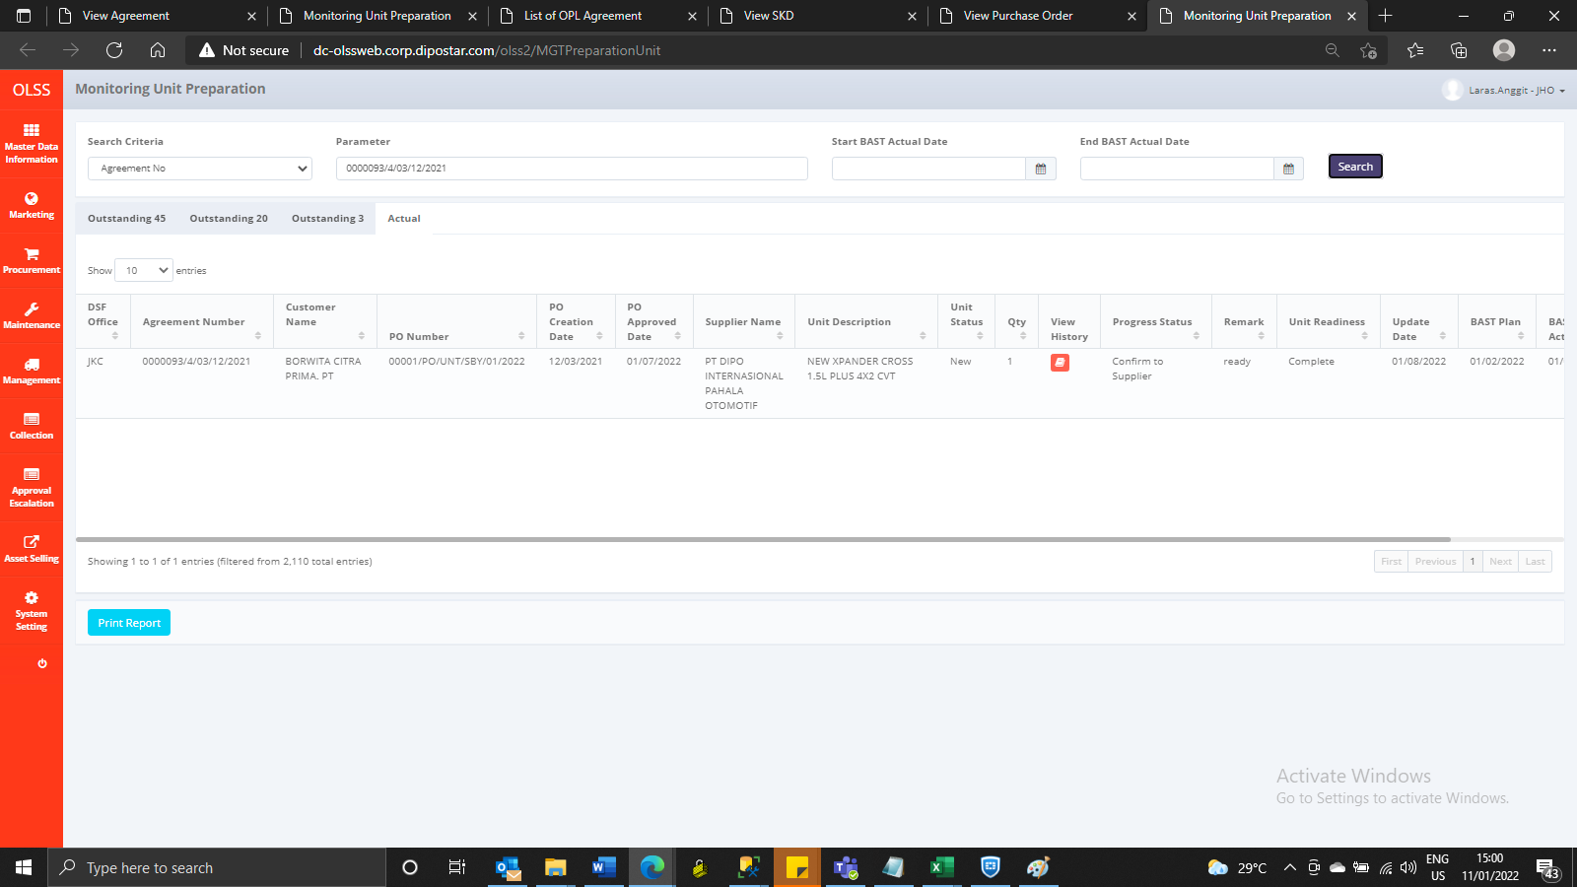
BEFORE

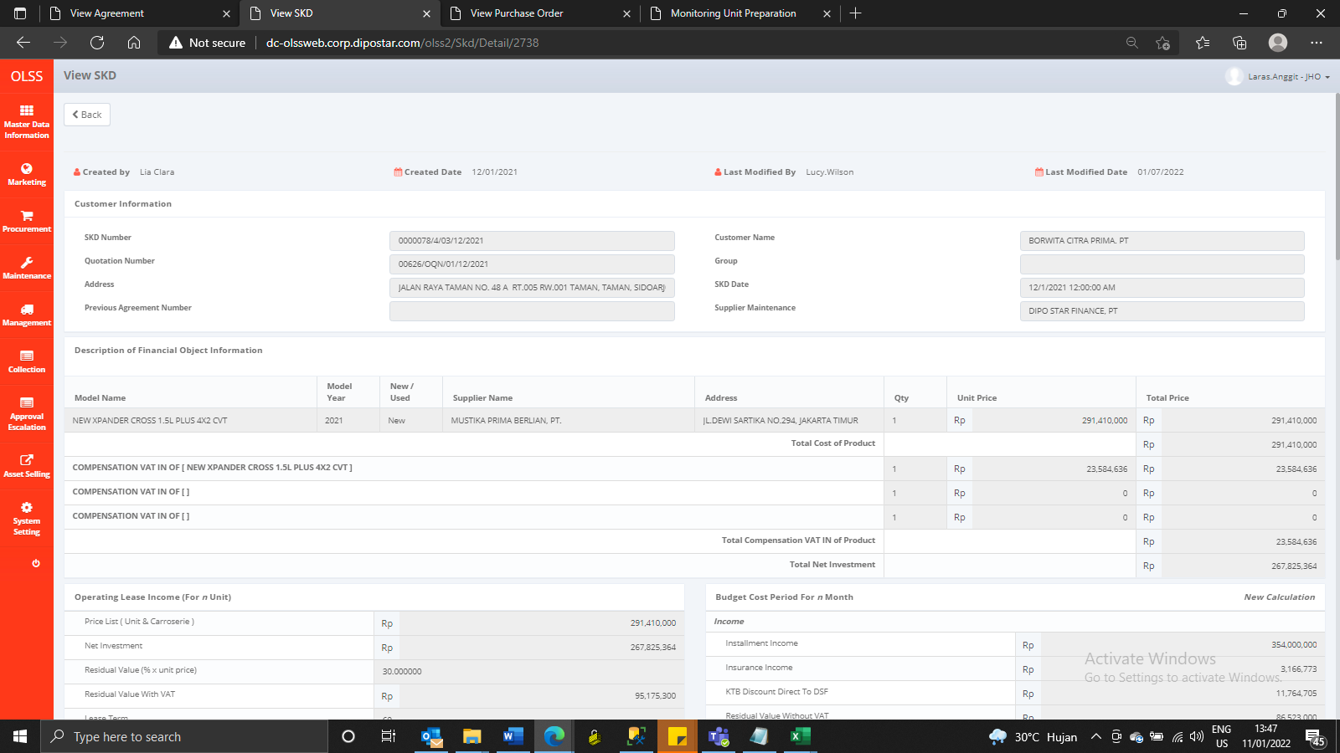
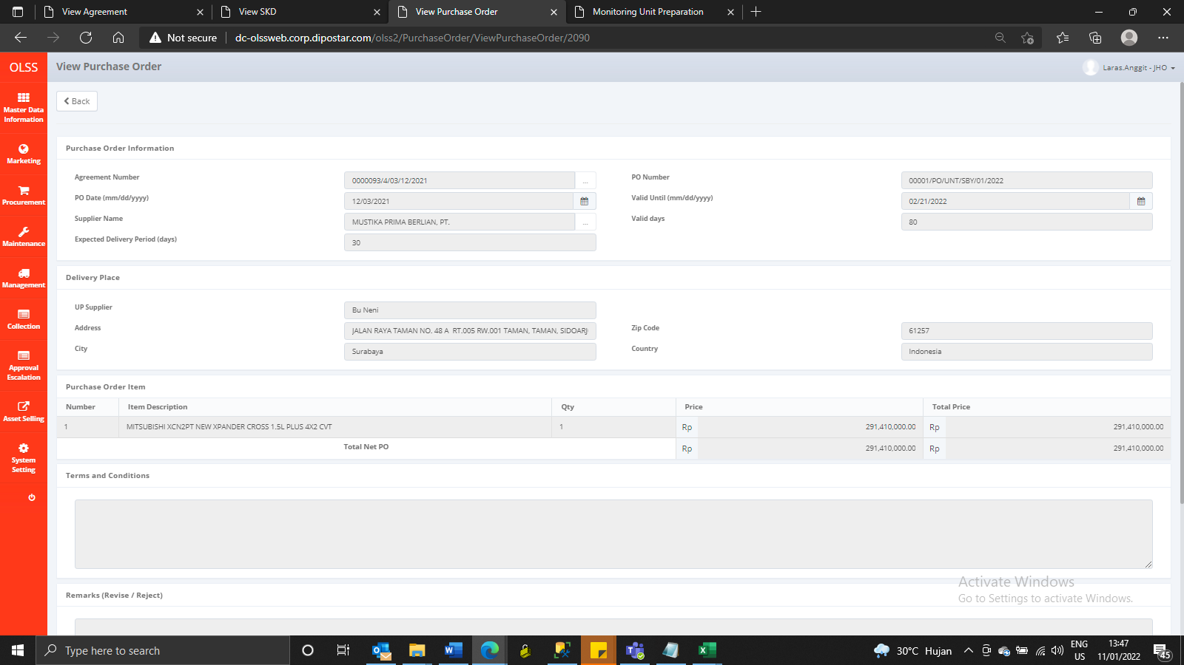
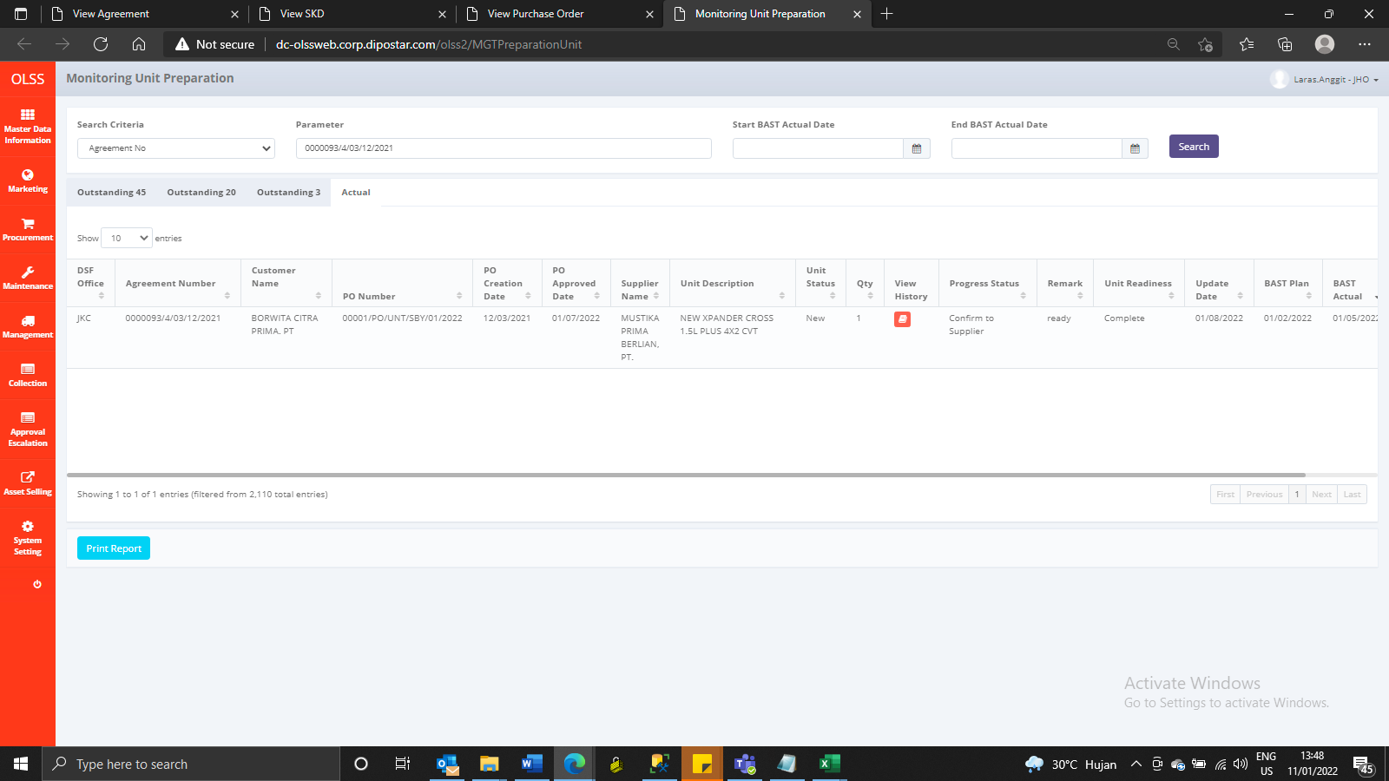

AFTER

